Daily Checklist
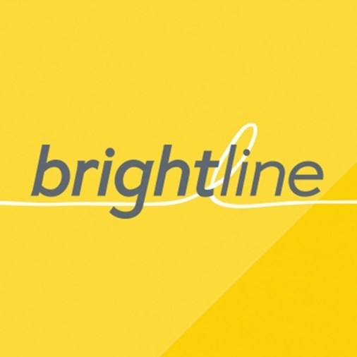 Electrical Readings
Meter | 6/5 | 7/5 | Last Month Difference
Patagonia | 31289826 | 31289826 | 0
Bucks | 18484818 | 18484832 | 14
Rosetta | 14723558 | 14723570 | 12
Parlament | 66602296 | 67199752 | 597456
BioBio | 19615658 | 19643328 | 27670
BL Headquarters | 6393813 | 6947121 | 553308

